Data Detectives
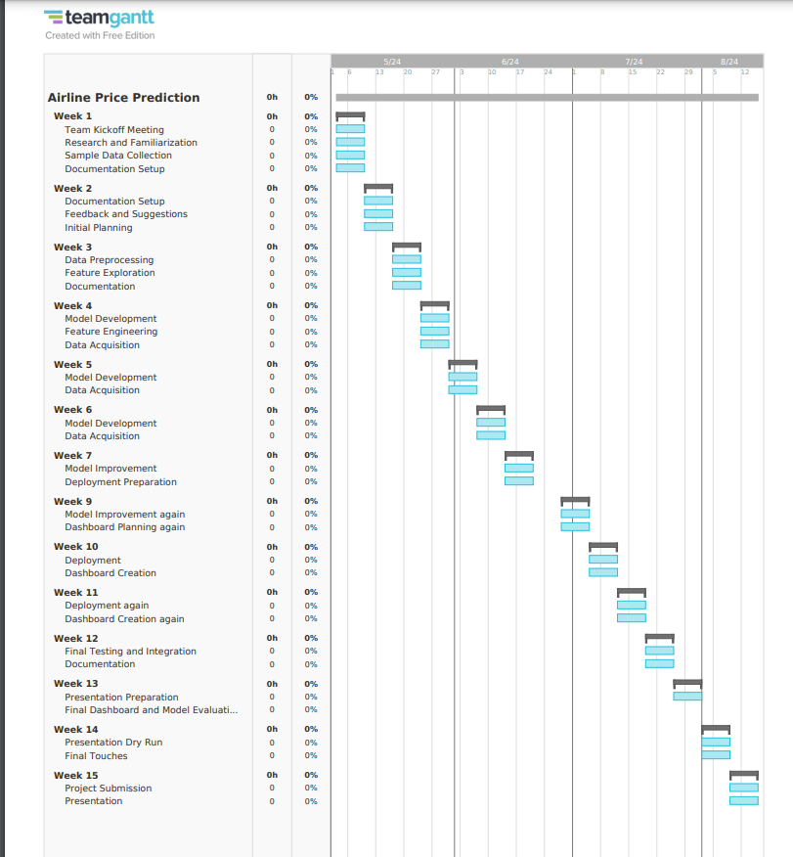
Course | Step Presentation 2
Course Code | AISC2006
Group | Data Detectives
Title | Machine Learning-Based Airline Price Prediction
GitHub link | https://github.com/Data-Detectives-Loyalist/Airline-Price-Prediction

Team Members | Email | % complete | Assigned Task(s) (use multiple lines as needed, grouped by student) | Notes: (be detailed)
Swetha Tanikonda | swethatanikonda@loyalistcollege.com | 100 | Model Development for Sample data | 1. I have searched for sample historical data to work on the project for now while we are scrapping the data.
 |  |  |  | 2. I have used Jupyter notebook, to convert the date format, defined the features into categorical and numerical features, have done data preprocessing and created a linear regression model.
 |  |  |  | 3. I evaluated the linear regression model using metrics such as Mean Squared Error (MSE). I have also plotted some graphs to get insights of the model.
 |  |  |  | 4. I have managed the team, assigned tasks to everyone in the team.
Mohamed Maaz Rehan | mohamedmaazrehan@loyalistcollege.com | 100 | Data Acquisition, Web scrapping | 1. Data Preparation: I created URLs using Python for various classes (Economy, Premium Economy, and Business), sources, destinations, and dates and uploaded the script on git.
 |  |  |  | 2. Dynamic Website Handling: I have used Selenium to interact with the skyscanner website, as it is dynamic and requires real-time data retrieval.
 |  |  |  | 3. Element Inspection: I inspected webpage elements to identify the correct XPaths and other selectors needed for data extraction.
 |  |  |  | 4. Selenium Implementation: I followed Selenium documentation and examples to write the script for web scraping.
 |  |  |  | I referred to the following documents to understand the code for web scrapping :
 |  |  |  | https://selenium-python.readthedocs.io/api.html#module-selenium.webdriver.support.expected_conditions
 |  |  |  | https://www.browserstack.com/guide/python-selenium-to-run-web-automation-test
 |  |  |  | https://selenium-python.readthedocs.io/waits.html
Devendra Singh Shekhawat | devendrasinghshek@loyalistcollege.com | 100,100,45 respectively | Feature Engineering and StatsModel | 1. I started by using one hot method to create new features from categorical columns and dropping unnecessary column.

 |  |  |  | 2. Afterwards, i explored regarding the StatsModel Library of Python which will help me to select the important features based on p and vif values. I have created a description on usage of the Library for other members.
 |  |  |  | 3. Initially, i have found the values of p and vif for once and there are some values of p which are greater than 0.05 and similarly in vif, some values are greater than 10. Based on this, i will be using rfe in upcoming weeks to figure out the best possible features for our model.
Fatemi Sadikbhai Lokhandwala | fatemisadikbhailo@loyalistcollege.com | 100 | Searched Dataset, explored streamlit and create demo model python file for deployment | I worked on searching dataset from kaggle, Asana, grepsr, datarade and data.world
 |  |  |  | I checked some videos on streamlit for deployment. I have created an account on streamlit and linked github repo with it and Installed streamlit package.
 |  |  |  | Streamlit video & documentation:
 |  |  |  | https://www.youtube.com/watch?v=74c3KaAXPvk
 |  |  |  | https://www.youtube.com/watch?v=HKoOBiAaHGg
 |  |  |  | https://docs.streamlit.io/
 |  |  |  | I also converted ipynb model file of urjeet to python modular file. I removed the extra code from the class file to work on for the deployment.
Gaurav Singh Rawat | gauravsinghrawat@loyalistcollege.com | 100 | Fetching realtime data sources and options to store realtime data | My responsibility for this week was to research about fetching realtime data. I worked on GCP to fetch data from API's and create a dataset and store it in Google Cloud Storage for our model use. We will create a pipleline for our real time data, in that pipleline using a Database System, process the data and then store it directly into cloud storage for further model building. I have pushed my all the research and findings in git for review.
Gaurav Singh | gauravsingh3@loyalistcollege.com | 100 | made a excel file for the destination | i made a excel sheet during team meet where baasically we have the IATA code for the selected countries that were chosen
 |  | 60,90 | research for what model to pick | i find the research papers that have the similar goals like ours and see what models they used for the prediction,where i find out most of them have a common model that is random forest regressor
 |  |  | developed a model on the sample data | i made a model in which on the sample dataset in which i got to use the label encoder and date time funtion to extract day and then used our dample data to fit on random forest regressor
Jankiba Viralsinh Zala | jankibaviralsinhz@loyalistcollege.com | 100% | work on Model evaluation | According to our current dataset I found out that which models are best to use moreover, which metrics are best to use, as our target variable data type is continuous so it is regression problem so for that we wil perform RMSE , MAE , Adjusted R- squared and R-squared and for model we are going to use Decision tree, Logistic regression, Xg-Boost, Random foreset and Ridge regression. I have pushed my work in github also.
Comfort Iroha Onuoha | comfortirohaonuoh@loyalistcollege.com | 85% | Exploratory data analysis(EDA) and data preprocessing | This week I worked on EDA and data preprocessing for the dataset we have. I used a jupyter notebook to try and gain insight on our dataset. I did this by reviewing each feature and writing comments on the insights I got from it. I did visualizations on this features too. I also posted the notebook to the team’s git repository.
Isha Savaliya | ishasavaliya@loyalistcollege.com | 100% | Explored Tableau desktop, and weekly report | I created tableau desktop account, I put lot of efforts in tableau , how this work in our project's dashboard. know new things like price distribution airline , price trends overtime. Build the dashboard, analysis the data and predict price when its go up and go down. and also it's easy to enhance data visualization ,improve decision making, efficiency and speed,cost everything . its easy to understand . I have created this week's report.
Tirth Patel | tirthpatel@loyalistcollege.com | 94% | Explored PowerBi and Searched for Data source | I gathered data from transtats.bts.gov in this website there was a data of US flights for 6 years containing one year of future data with discription and there was atleast 500,000 data for each month. as i suggested to use this data but the team set the parameters so the US data was not useable. I cleaned up the data I needed and added some new things to make better predictions.Also I have create an account in PowerBI Then, I worked on making a basic design for a PowerBI dashboard to show the important stuff from the data. Also, I spent some time learning about PowerBI so I could use it well for the project's dashboard. All of this together is making a good base for our project, bringing together data checking, making predictions, and showing everything in a visual way to help with decisions in the airline industry.
Urjeet Parmar | urjeetparmar@loyalistcollege.com | 100% | Created a demo model using Jupyter Notebookl to explore deployment options on various cloud Platorm AWS/GCP/Streamlit. | I created a Demo Model In Jupyter Notebook to explore Deployment option on various Ai/Ml Cloud Platform like AWS/GCP(Google Cloud) so we can efficiently manage deployment issues before our final model release. Also pushed the notebook to the github. In the Upcoming Weeks we will pickle the model and try to design and deploy it on various available platform like Aws/Gcp/Streamlit and will explore for the option which is cheap/free and memory efficient.
 |  |  | Maintained & Reviewed Github requests for the present week. | I maintained git repository and also reviewed every team members github requests for this week and merged their work to the main branch of our project.

Project Lificycle:
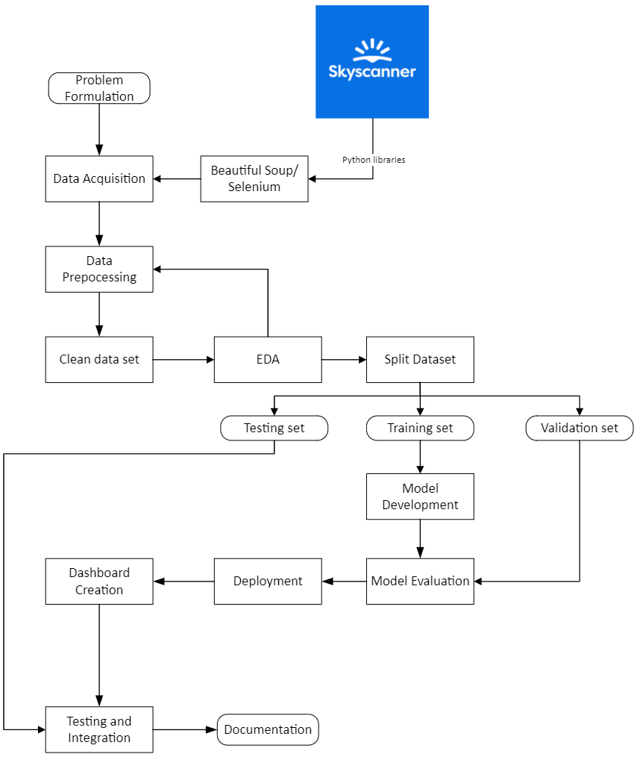

Project timeline:

